Final Report
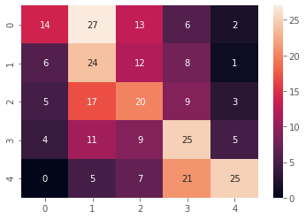
Base Model:
Embedding | Model type | Target feature | Accuracy | Remarks | Next Steps | Questions:
Word2Vec | LSTM | Accident Level | 72% | Val Accuracy hits a ceiling. | Check: Target value should be categorical

Version1: (preprocess_train_v1.py)
Embedding | Model type | Target feature | Accuracy | imblearn strategy | Observations
Word2Vec | LSTM | Accident Level | 54% | 1. Do 90-10 split of train & validation samples 2. Use this 90% data to resample using imblearn 3. Split resampled data to 80-20 split. 4. Use this 80% to fit and 20% as validation during DL fit. 4. Use the saved 10% samples for evaluation | 1. Since # of test samples is small, the exact accuracy is difficult to estimate. 2. DL model's accuracy increases & loss decreases over the epochs.

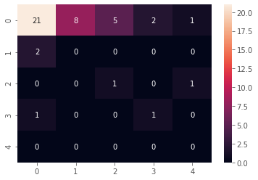

Version2 (preprocess_train_v2.py):
Embedding | Model type | Target feature | Accuracy | imblearn strategy | Observations
Word2Vec | LSTM | Accident Level | 39% | 1. Do 90-10 split of train & validation samples 2. Use this 90% data to resample using imblearn 3. Split resampled data to 80-20 split. 4. Use this 80% to fit and 10% as validation (from step#1) during DL fit. 4. Use the saved 20% samples for evaluation (created in step#3) | 1. Since # of test samples is higher, the accuracy and model performance can be evaluated. 2. DL model's accuracy increases & loss decreases over the epochs.

